Sheet1
 | Document No. |  | Issue No. | Issue Date |  | Review and Replace Date |  |  | Authorised By
 | GFF503MC |  | 3 | 04.09.2025 |  | 11.03.2026 |  |  | Magda Shah
 | Document Title |  | Aldi Bilash 2 Lamb Samosa 100g
Document amendments reason for change | Film Changed |  |  |  | Page 1 of 1 |  | Previous Issue Date | 08.01.2026 | Uncontrolled copy unless signed original

LSAC-G3T |  | Aldi Bilash |  |  | Aldi Bilash 2 Lamb Samosa 100G
STEP 1 |  |  |  |  | STEP 2

Tray: Grab & Go SQ Tray (141 X 141) (PKLEE001-13) |  |  |  |  | LAMB SAMOSA (GFF542R) : 50g
Film: 25mu Weld Seal Mono PET Film (240mm x 1000lm)-PKCLI001-02
STEP 3
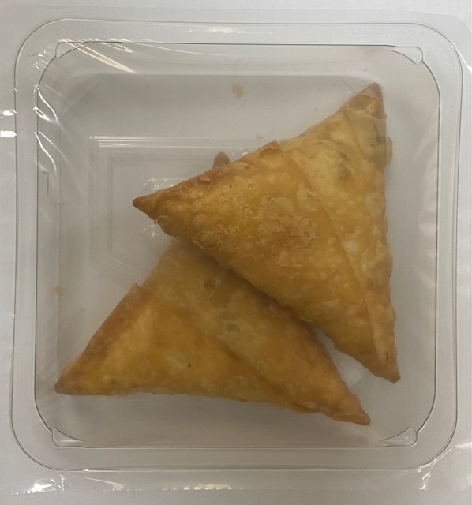
LAMB SAMOSA (GFF542R) (2X50g): 100g |  |  |  |  | Total Weight: 100g
ALLERGY ALERT: WHEAT, SOYA

